Example
R09 hotfix 修改范围: 4.7 -4.21 提交到R09分支的合入修改
模块 | 类型 | Jira Ticket ID | 描述 | 内部仓库链接 | 合入延峰仓库链接 | 需求来源和合入版本说明
账号 | BUG修复 | APIMCIM-20785,APIMCIM-20933,APIMCIM-20661 | 修复 bug APIMCIM-20785/20933/20661, IG issue | https://192.168.67.125:8080/#/c/56136/ | http://222.190.133.163:8090/c/android/project/ford_phase5/prebuilts/HY11/baidu/+/52348
 | BUG修复 | APIMCIM-20497 | 修复 bug APIMCIM-20497, IG issue | http://192.168.67.125:8080/#/c/54893/ | http://222.190.133.163:8090/c/android/project/ford_phase5/prebuilts/HY11/baidu/+/53673
 | BUG修复 | APIMCIM-13309,APIMCIM-12857 | 修复 bug APIMCIM-13309/APIMCIM-12857 , 删除安全用户敏感信息VIN打印, 增加判空防止Exportable Service DoS. | http://192.168.67.125:8080/#/c/54900/ | http://222.190.133.163:8090/c/android/project/ford_phase5/prebuilts/HY11/baidu/+/53673
Vehicle settings | BUG修复 | APIMCIM-10072 | [100%] MMOTA_China: Unable to enter system update when ignition off delay acc on. | http://192.168.67.125:8080/#/c/54976/ | http://222.190.133.163:8090/c/android/project/ford_phase5/packages/apps/Settings/+/63149
R09 hotfix 修改范围: 4.22 -4.28 提交到R09分支的合入修改
模块 | 类型 | Jira Ticket ID | 描述 | 内部仓库链接 | 合入延峰仓库链接 | 需求来源和合入版本说明
语音 | 设计调整 | APIMCIM-xxxxx | 1.打开智能家居/用户反馈 , 调整判断登录/签约的顺序, 先判断是否登录, 再判断是否签约 2.bugfix:【语音】签约管理-未登录账号未签约-语音“打开智能家居”/点击智能家居-拉起签约页面但是TTS提示登录账号 | http://192.168.67.125:8080/#/c/54736/ | http://222.190.133.163:8090/c/android/project/ford_phase5/prebuilts/HY11/baidu/+/53890 | 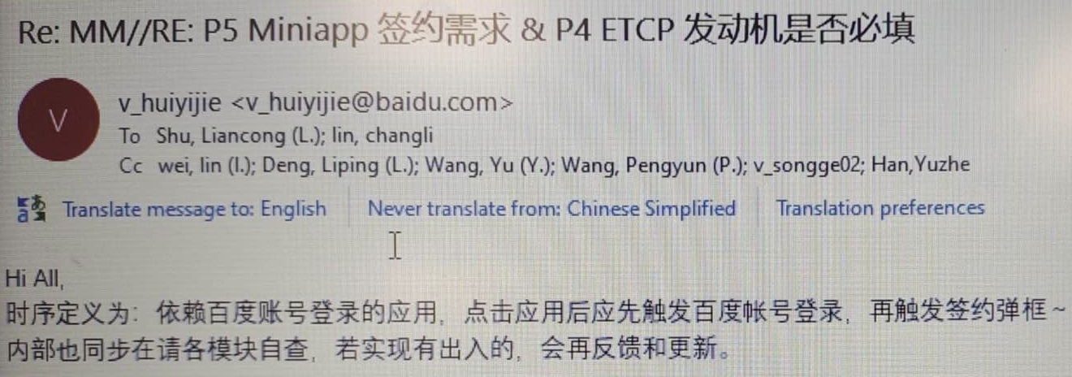
 | BUG修复 | APIMCIM-21660 | 修复偶现数据库初始化异常导致语音功能异常问题, APIMCIM-21660 | http://192.168.67.125:8080/#/c/55005/

